E Content and Research Seminar
 |  | Test Case Template for Project
 |  | Project Name | LMS
 |  | Module Name | Research (Research Seminar)
 |  | Created By | Pooja
 |  | Created Date | 4/29/2024
 |  | Peer Review By
 |  | Peer Reviewed Date

Scenario TID | Scenario Desciption | Test Case ID | Pre Condition | Steps to Execute | Expected Result | Actual Result | Status | Executed QA Name | Comments | Screenshots
3 | To verify Submit button is clicakble or not. | TC_03 | 1)Application is installed, configured, and accessible to the user. 2)User credentials for logging into the Research are valid and authenticated. 3) Link : https://dev-portal.svkm.ac.in/researches/user | 1.Open the URL : "https://dev-portal.svkm.ac.in/researches/user" 2.Enter username: 32101198. 3) Enter password: pass@123. 4)Click on "Sign In" Button. 5) Click on "Research " Option. 6)Click on "Research Seminars at NMIMS" 7)Go to "+" icon which is above at "Enter Keyword" dropdown. 8) Fill the required information. 9) Click on "Submit" button | Submit button should be clickable. | After clicking on submit button, Button is not clickable. | Fail |  |  | 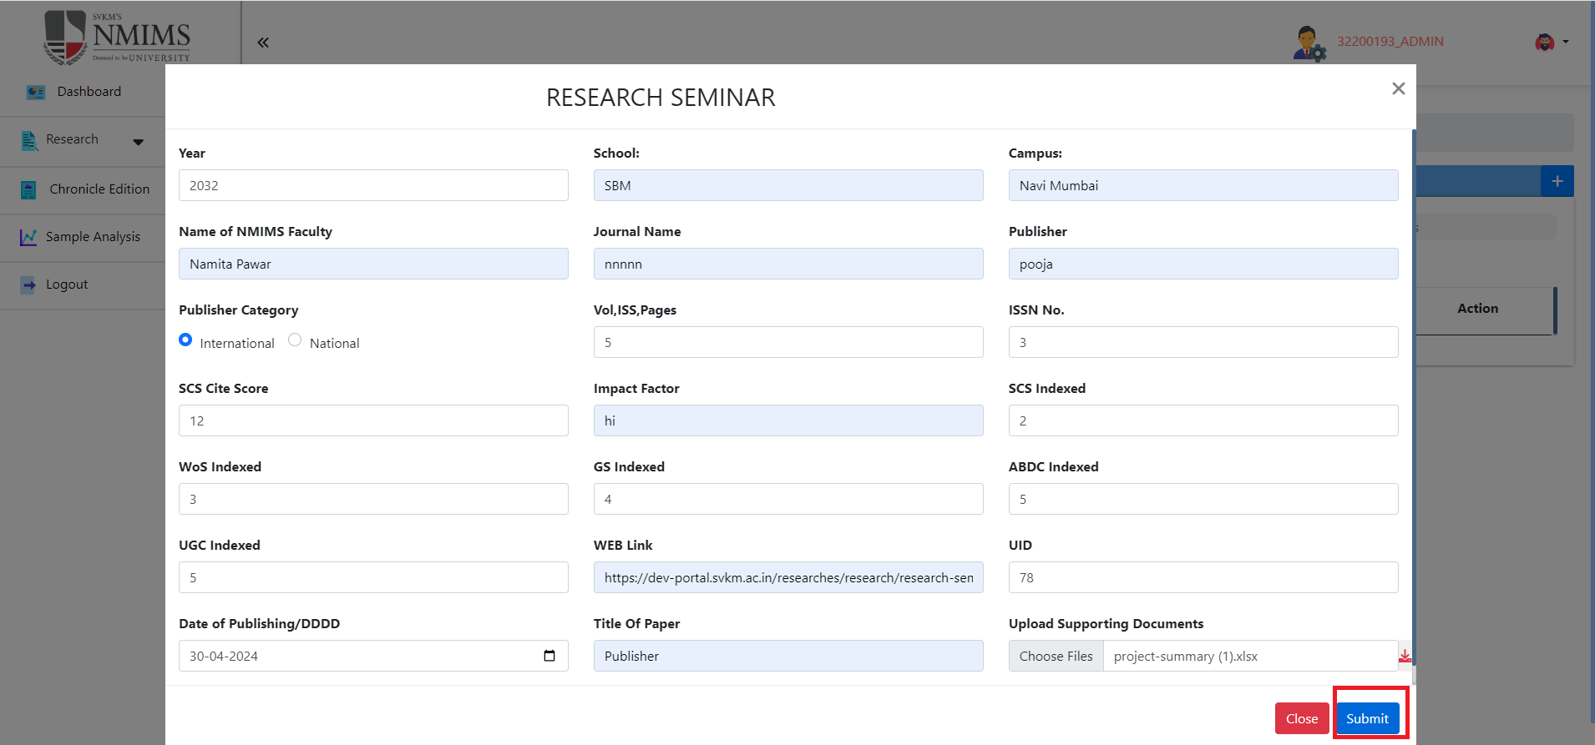
4 | To verify "WEB Link" should be accept link only. | TC_04 | 1)Application is installed, configured, and accessible to the user. 2)User credentials for logging into the Research are valid and authenticated. 3) Link : https://dev-portal.svkm.ac.in/researches/user | 1.Open the URL : "https://dev-portal.svkm.ac.in/researches/user" 2.Enter username: 32101198. 3) Enter password: pass@123. 4)Click on "Sign In" Button. 5) Click on "Research " Option. 6)Click on "Research Seminars at NMIMS" 7)Go to "+" icon which is above at "Enter Keyword" dropdown. 8) Go to "WEB Link" and enter "1111@@@@@@" | "WEB Link" should not accept number or special charcters. | Able to enter numbers and special characters | Fail |  |  | 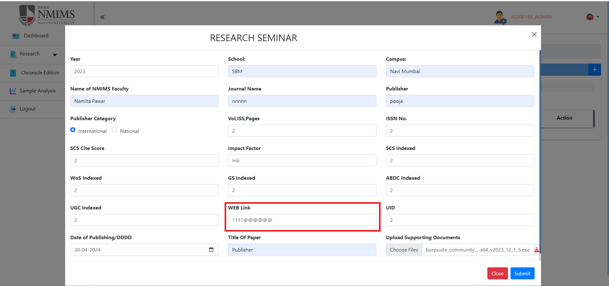
5 | "Upload Supporting Documents" should be empty. | TC_05 | 1)Application is installed, configured, and accessible to the user. 2)User credentials for logging into the Research are valid and authenticated. 3) Link : https://dev-portal.svkm.ac.in/researches/user | 1.Open the URL : "https://dev-portal.svkm.ac.in/researches/user" 2.Enter username: 32101198. 3) Enter password: pass@123. 4)Click on "Sign In" Button. 5) Click on "Research " Option. 6)Click on "Research Seminars at NMIMS" 7)Go to "+" icon which is above at "Enter Keyword" dropdown. 8) Go to "Upload Supporting Documents" | It should not show any files in that field. It should be empty. | After filling all details clicked on close and then again, After clicking on the '+' icon, it is displaying the 'exe file' in "Upload Supporting Documents" section without having selected that file. | Fail |  |  | 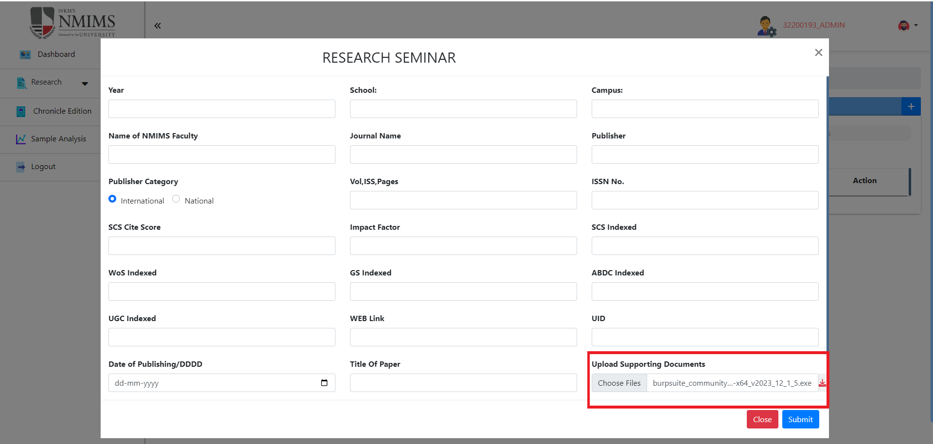
9 | To verify "Enter Keywords" text box should only accept keywords. | TC_09 | 1)Application is installed, configured, and accessible to the user. 2)User credentials for logging into the Research are valid and authenticated. 3) Link : https://dev-portal.svkm.ac.in/researches/user | 1.Open the URL : "https://dev-portal.svkm.ac.in/researches/user" 2.Enter username: 32101198. 3) Enter password: pass@123. 4)Click on "Sign In" Button. 5) Click on "Research " Option. 6)Click on "Research Seminars at NMIMS" 7) Go to "Show Entries" which is below "RESEARCH SEMINAR LIST" | "Enter Keywords" should not allow to enter space instead of Keywords. | In "Enter Keywords", after entered "Space" it is showing message "No records found." It should not show the message and data. | Fail |  |  | 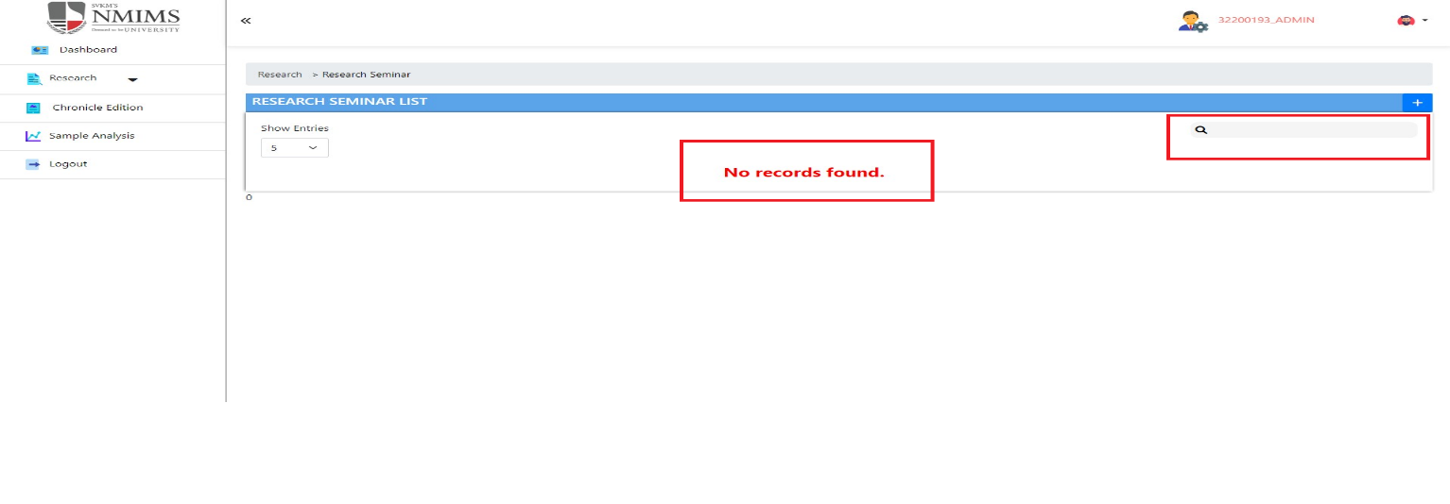
10 | To verify "Date of Publishing" should be display | TC_10 | 1)Application is installed, configured, and accessible to the user. 2)User credentials for logging into the Research are valid and authenticated. 3) Link : https://dev-portal.svkm.ac.in/researches/user | 1.Open the URL : "https://dev-portal.svkm.ac.in/researches/user" 2.Enter username: 32101198. 3) Enter password: pass@123. 4)Click on "Sign In" Button. 5) Click on "Research " Option. 6)Click on "Research Seminars at NMIMS" 7)Go to "+" icon which is above at "Enter Keyword" dropdown. 8) Go to "Date of Publishing/DDDD " button which is below to "UGC Indexed" | "Date of Publishing" should be displayed | "Date of Publishing/DDDD" displaying. | Fail |  |  | 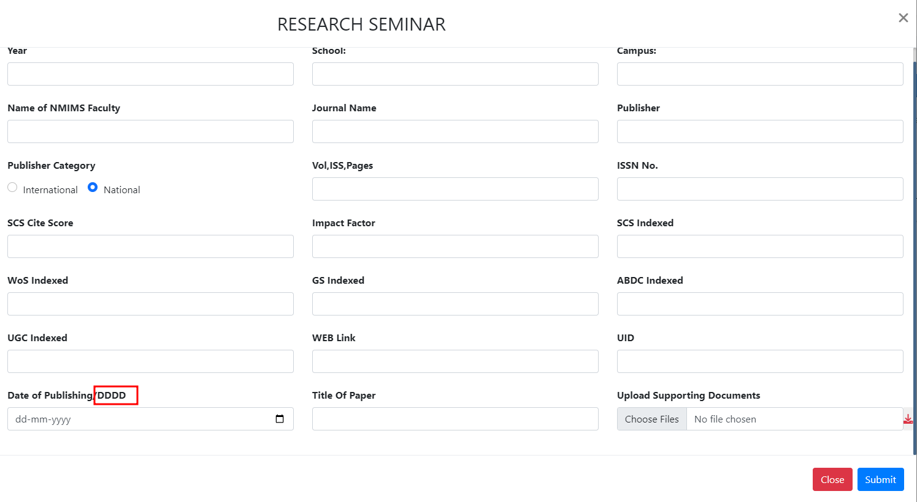
11 | To verify "Year" field should only accept whole value | TC_11 | 1)Application is installed, configured, and accessible to the user. 2)User credentials for logging into the Research are valid and authenticated. 3) Link : https://dev-portal.svkm.ac.in/researches/user | 1.Open the URL : "https://dev-portal.svkm.ac.in/researches/user" 2.Enter username: 32101198. 3) Enter password: pass@123. 4)Click on "Sign In" Button. 5) Click on "Research " Option. 6)Click on "Research Seminars at NMIMS" 7)Go to "+" icon which is above at "Enter Keyword" dropdown. 8) Go to "year" and enter : 20.54 | Year should only accept whole numbers manually. | Year field allowing to enter decimal values manually. | Fail |  |  | 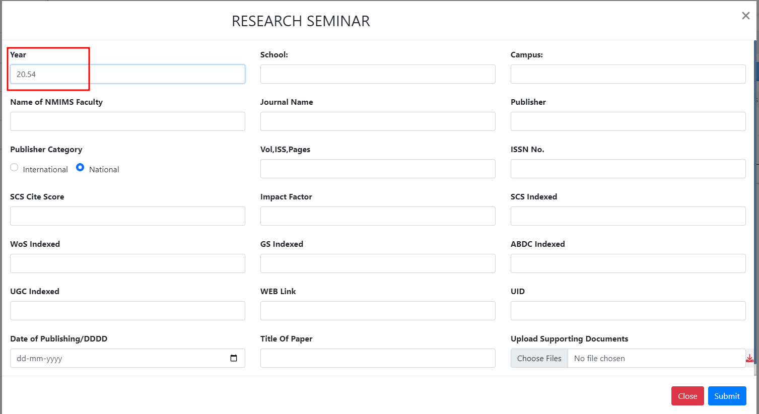
12 | To verify "ISSN No","Vol,ISS,Pages","ISSN No." ,"SCS Cite Score", "SCS Indexed", "WoS Indexed","GS Indexed", "ABDC Indexed","UGC Indexed","UID" field should accept whole value manually and displayed. | TC_12 | 1)Application is installed, configured, and accessible to the user. 2)User credentials for logging into the Research are valid and authenticated. 3) Link : https://dev-portal.svkm.ac.in/researches/user | 1.Open the URL : "https://dev-portal.svkm.ac.in/researches/user" 2.Enter username: 32101198. 3) Enter password: pass@123. 4)Click on "Sign In" Button. 5) Click on "Research " Option. 6)Click on "Research Seminars at NMIMS" 7)Go to "+" icon which is above at "Enter Keyword" dropdown. | "ISSN No","Vol,ISS,Pages","ISSN No." ,"SCS Cite Score", "SCS Indexed", "WoS Indexed","GS Indexed", "ABDC Indexed","UGC Indexed","UID" should not allow to enter decimal values. It should allow to enter whole numbers manually. | "ISSN No","Vol,ISS,Pages","ISSN No." ,"SCS Cite Score", "SCS Indexed", "WoS Indexed","GS Indexed", "ABDC Indexed","UGC Indexed","UID" field allowing to enter decimal numbers. | Fail |  |  | 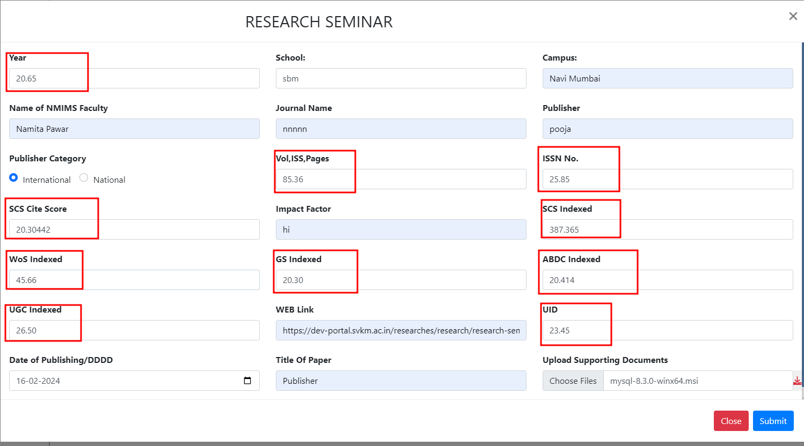
13 | To verify "Year" field valid year should be select and displayed. | TC_13 | 1)Application is installed, configured, and accessible to the user. 2)User credentials for logging into the Research are valid and authenticated. 3) Link : https://dev-portal.svkm.ac.in/researches/user | 1.Open the URL : "https://dev-portal.svkm.ac.in/researches/user" 2.Enter username: 32101198. 3) Enter password: pass@123. 4)Click on "Sign In" Button. 5) Click on "Research " Option. 6)Click on "Research Seminars at NMIMS" 7)Go to "+" icon which is above at "Enter Keyword" dropdown. 8) Go to "Year" field and Click on upper arrow button. It will display "1" 9) Click on Lower arrow button. "It will display "0" | Remove Value"0" from dropdown option because "0" is not valid year. | "0" is displayed in year field. | Fail |  | 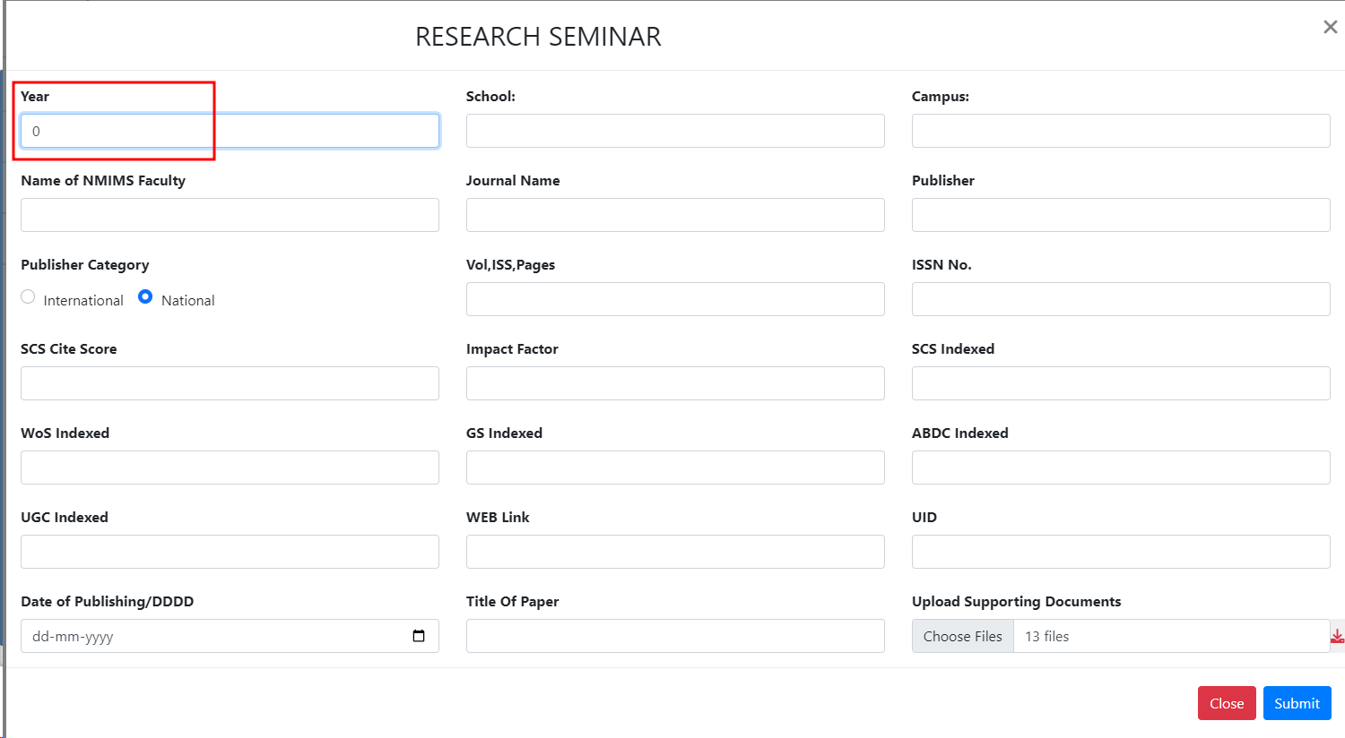
15 | To verify "RESEARCH SEMINAR " title should be at centre | TC_15 | 1)Application is installed, configured, and accessible to the user. 2)User credentials for logging into the Research are valid and authenticated. 3) Link : https://dev-portal.svkm.ac.in/researches/user | 1.Open the URL : "https://dev-portal.svkm.ac.in/researches/user" 2.Enter username: 32101198. 3) Enter password: pass@123. 4)Click on "Sign In" Button. 5) Click on "Research " Option. 6)Click on "Research Seminars at NMIMS" 7)Go to "+" icon which is above at "Enter Keyword" dropdown. | RESEARCH SEMINAR should be at center | "RESEARCH SEMINAR" is not at center. | s |  | 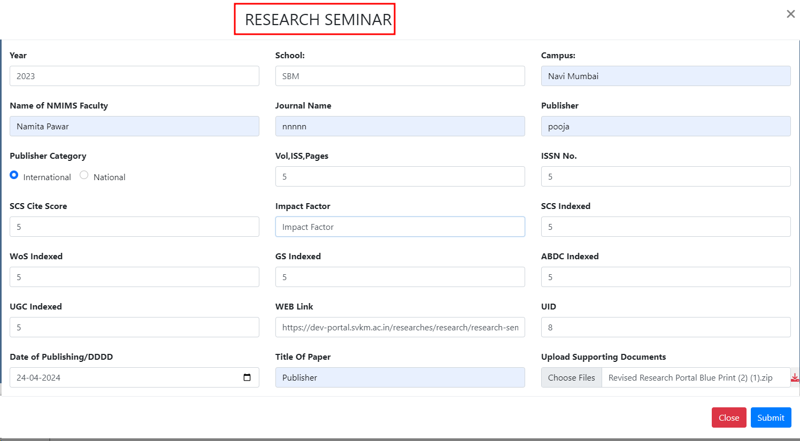
23 | To verify"Enter Keyword" searchbox should not search without putting any values. | TC_23 | 1)Application is installed, configured, and accessible to the user. 2)User credentials for logging into the Research are valid and authenticated. 3) Link : https://dev-portal.svkm.ac.in/researches/user | 1.Open the URL : "https://dev-portal.svkm.ac.in/researches/user" 2.Enter username: 32101198. 3) Enter password: pass@123. 4)Click on "Sign In" Button. 5) Click on "Research " Option. 6)Click on "Research Seminars at NMIMS" 7) Click on "Enter Keyword" serachbox and click on magnifine glass icon | After clicking on Search icon It should not display error message | It is displaying error message without putting any value | Fail |  |  | 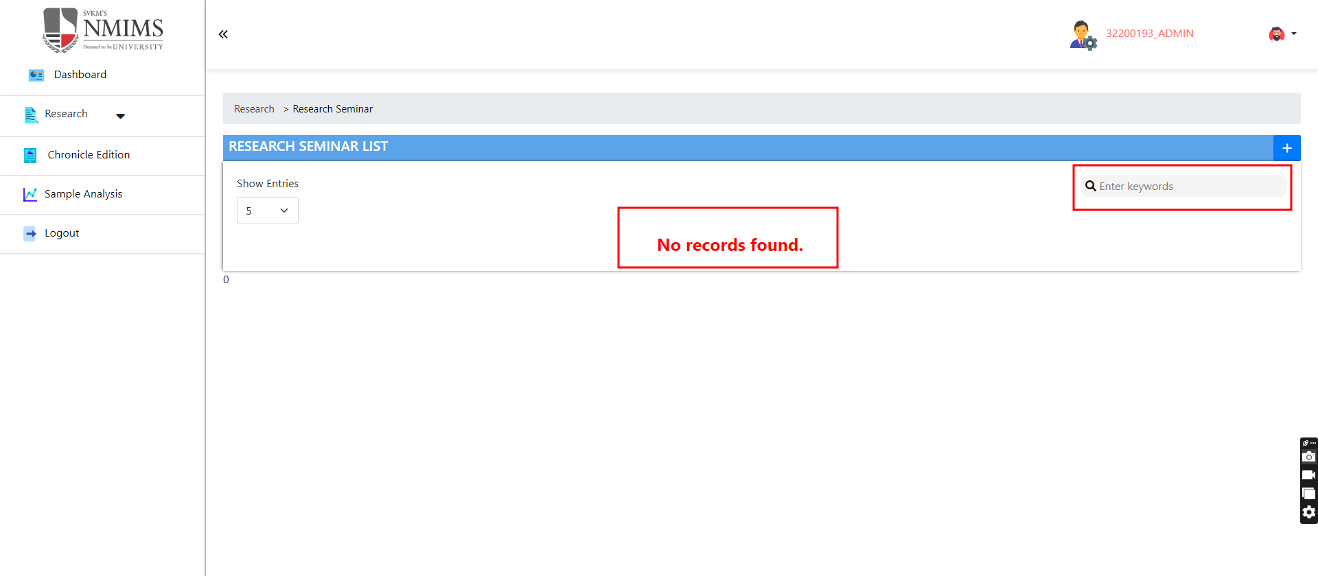
33 | To verify "Header" functionality. | T_33 | 1)Application is installed, configured, and accessible to the user. 2)User credentials for logging into the Research are valid and authenticated. 3) Link : https://dev-portal.svkm.ac.in/researches/user | 1.Open the URL : "https://dev-portal.svkm.ac.in/researches/user" 2.Enter username: 32101198. 3) Enter password: pass@123. 4)Click on "Sign In" Button. 5) Click on "Research " Option. 6)Click on "Research Seminars at NMIMS" 7) Go below "Enter Keywords" | In hearder, "View" should be written and displayed and "Delete" should be written and displayed . | In hearder, "View" and "Delete " is not written in header. | Fail |  |  | 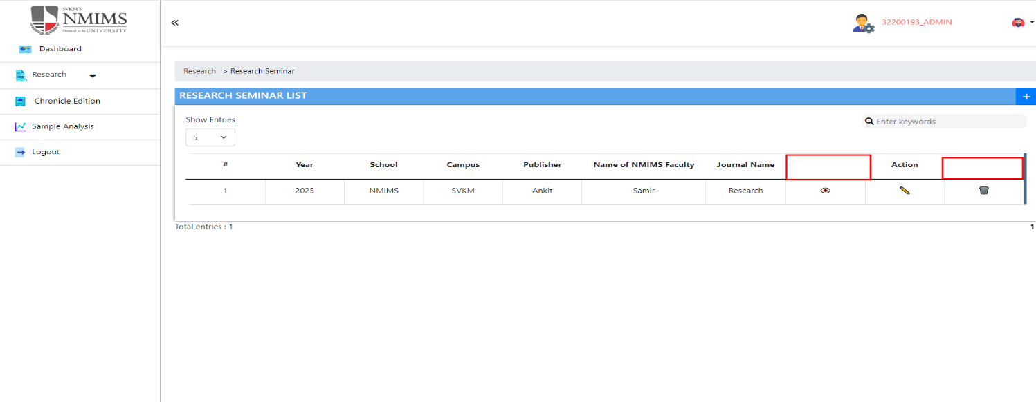
40 | To verify "Web Link" functionality is allowing to update Link or not | T_40 | 1)Application is installed, configured, and accessible to the user. 2)User credentials for logging into the Research are valid and authenticated. 3) Link : https://dev-portal.svkm.ac.in/researches/user | 1.Open the URL : "https://dev-portal.svkm.ac.in/researches/user" 2.Enter username: 32101198. 3) Enter password: pass@123. 4)Click on "Sign In" Button. 5) Click on "Research " Option. 6)Click on "Research Seminars at NMIMS" 7)Go to below "Action" and click on that 8) Go to "Web Link " and enter "https://www.google.com/" | "Web Link" functionality it should allow to update link. | "Web Link" functionality is not allowing to update link.It is showingError Message. | Fail |  |  | 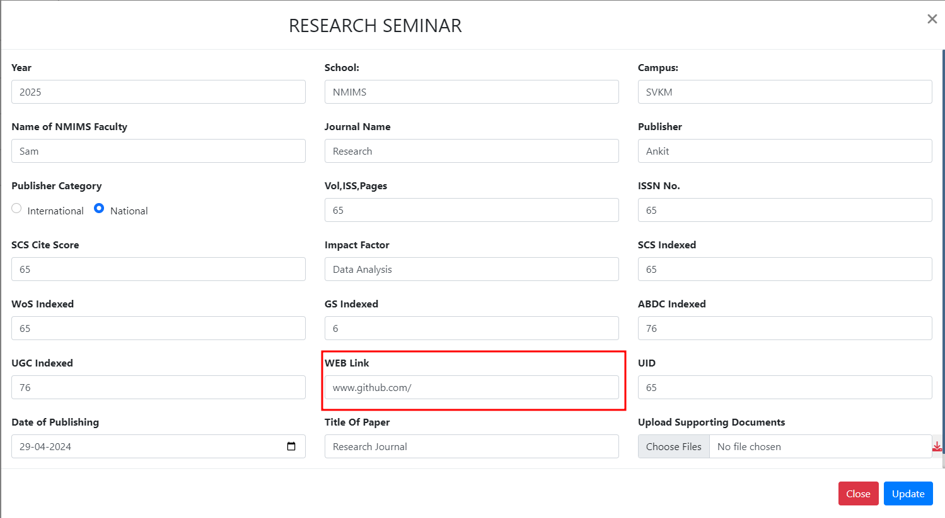 | 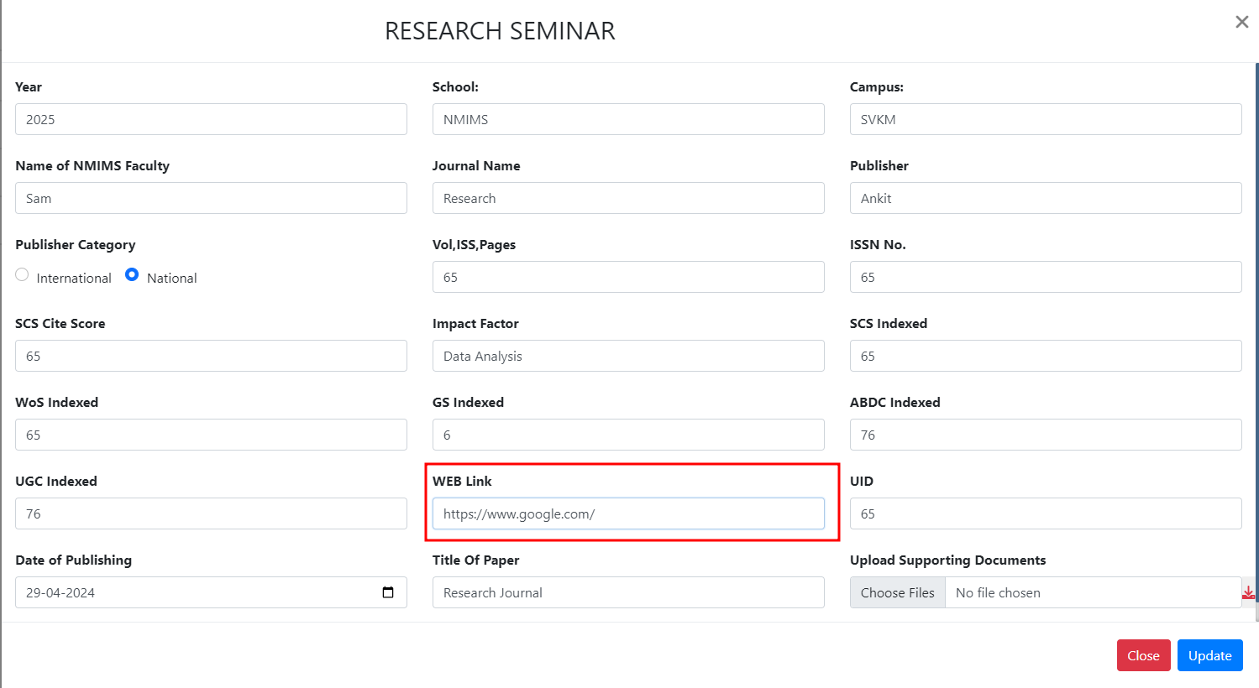 | 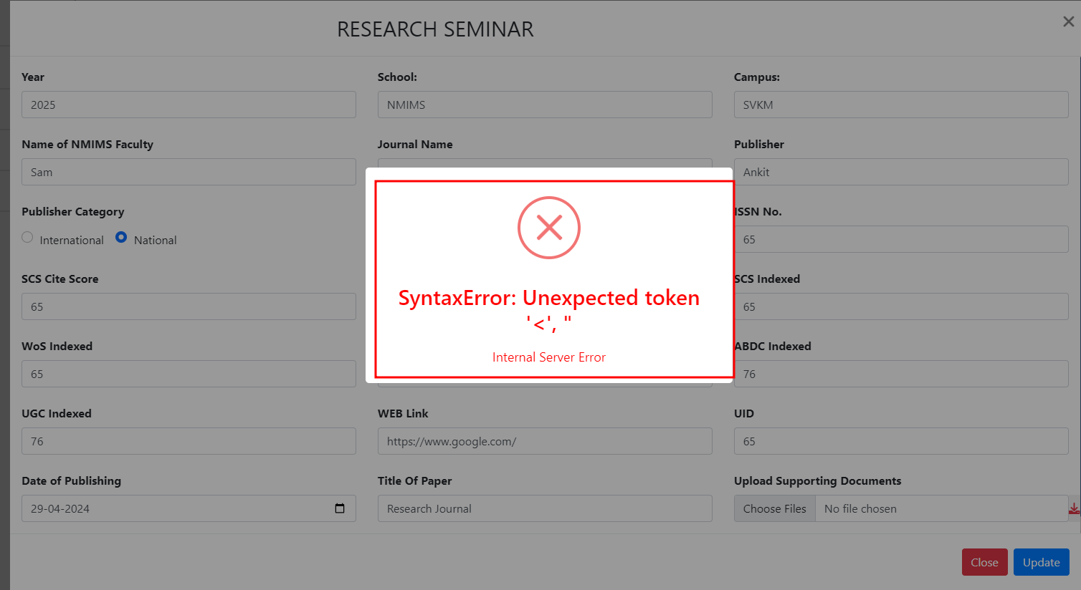
41 | To verify "Update" button functionality | T_41 | 1)Application is installed, configured, and accessible to the user. 2)User credentials for logging into the Research are valid and authenticated. 3) Link : https://dev-portal.svkm.ac.in/researches/user | 1.Open the URL : "https://dev-portal.svkm.ac.in/researches/user" 2.Enter username: 32101198. 3) Enter password: pass@123. 4)Click on "Sign In" Button. 5) Click on "Research " Option. 6)Click on "Research Seminars at NMIMS" 7)Go to below "Action" and click on that pencil icon. 8) Go to "Upload Supporting Documents " and select file 9) Click on Update. | It should allow to update file, after clicking on Update button. | Update button is not clickble and working. | Fail |  |  | 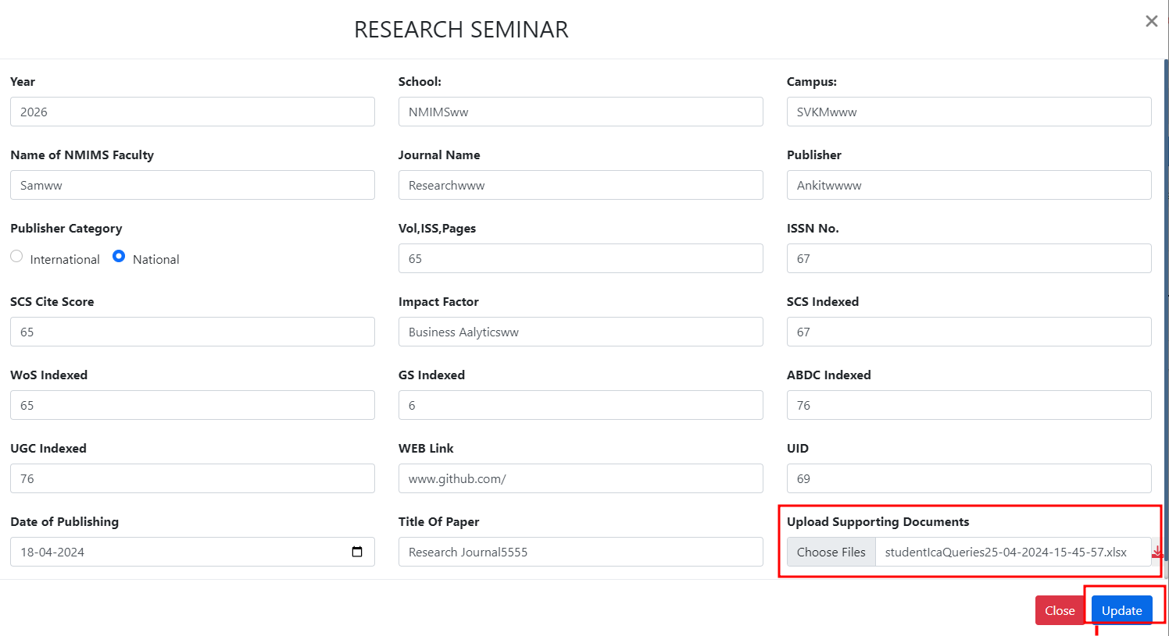
42 | To verify "Delete" functionality. | T_42 | 1)Application is installed, configured, and accessible to the user. 2)User credentials for logging into the Research are valid and authenticated. 3) Link : https://dev-portal.svkm.ac.in/researches/user | 1.Open the URL : "https://dev-portal.svkm.ac.in/researches/user" 2.Enter username: 32101198. 3) Enter password: pass@123. 4)Click on "Sign In" Button. 5) Click on "Research " Option. 6)Click on "Research Seminars at NMIMS" 7) Go below "Enter Keywords" | It should allow to "Delete" records. And before deleting it should display error message. "Do you want to delete the seminar" | It is not allowing to "Delete" records | Fail |  |  | 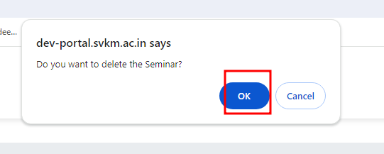
45 | To verify Logo of NMIMS is clickable or not. | T_45 | 1)Application is installed, configured, and accessible to the user. 2)User credentials for logging into the Research are valid and authenticated. 3) Link : https://dev-portal.svkm.ac.in/researches/user | 1.Open the URL : "https://dev-portal.svkm.ac.in/researches/user" 2.Enter username: 32101198. 3) Enter password: pass@123. 4)Click on "Sign In" Button. 5)Go above dashboard on left side. | After clicking on Logo of NMIMS should open website of NMIMS. | Not opening website of NMIMS. It showing an error of "Cannot GET /dashboard" | Fail |  |  | 

